Analysis Framework
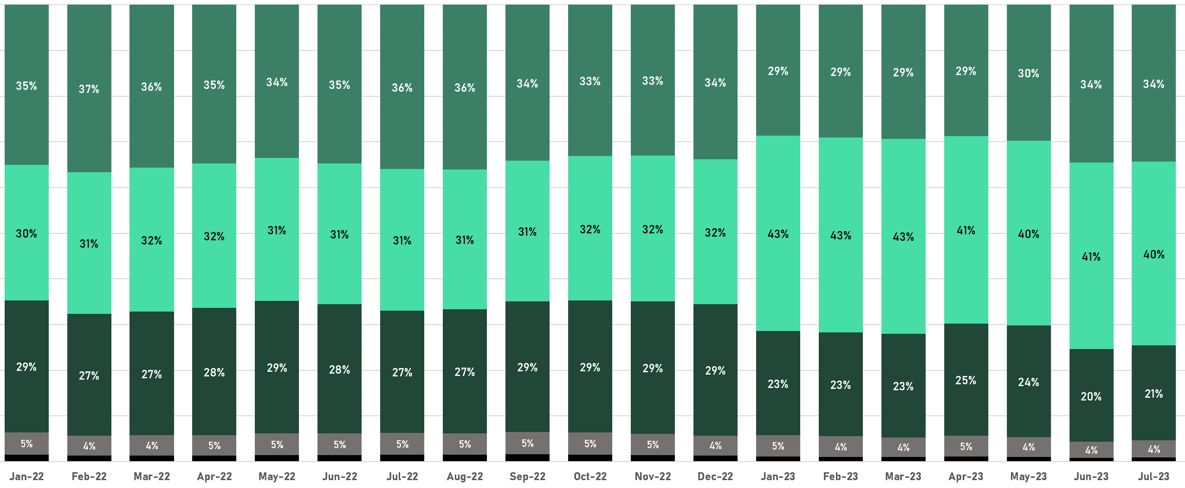
Analysis Framework
Date Range | 2022 - July 2023
Service Type | Emergency Department (CPT Range: 99281 - 99285)
Payers Included | Third Party (Commercial), Medicare Advantage, Managed Medicaid
Facility Geography | Facilities Operating in the State of Florida

Field List

Service Month | Month-Year of the ED Service
Procedure Code | Emergency Department CPT Code
Market Name | Name of the Core Based Statistical Areas (CBSA)
Facility Name | Name of the Operating Emergency Department
Parent Organization | System / Parent Organization of the Operating Emergency Department
System Flag | HCA Healthcare Emergency Department | All Other Emergency Department Locations
Year | Year of the ED Service
Encounters | Sum of Total ED Encounters

Key Takeaway

State of Florida Emergency Department Utilization by CPT Code

